Intro
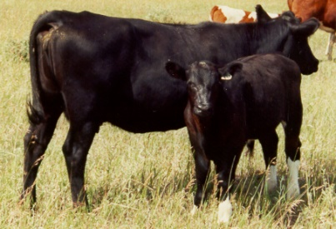
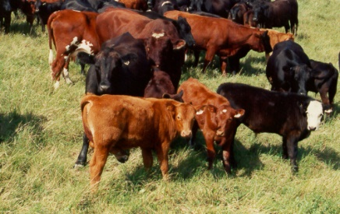
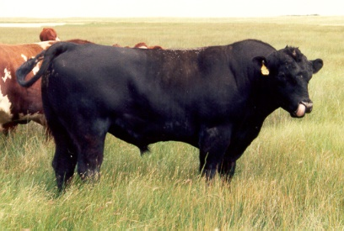
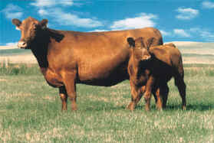
 | KSU-BeefCowLease.xls --- A spreadsheet budgeting program to determine equitable
 |  | share lease rental arrangements for beef cowherds.
 | Version -- 1.20.13

INPUTS vs CALCULATED VALUES
In the various sheets all blue numbers are inputs and all black numbers are calculated from these inputs. The spreadsheet automatically recalculates every time an additional input is entered. Thus, it is important to wait until all data have been entered and reviewed before interpreting any of the calculated results (i.e., black numbers).

DESCRIPTION OF INPUTS
The North Central Farm Management Extension Committee (NCFMEC) bulletin titled Beef Cow Rental Arrangements For Your Farm (NCFMEC-06) serves as a "users guide" and provides a brief overview of this spreadsheet.

COMPANION PUBLICATIONS
This spreadsheet was developed as a decision-aid tool based on the principles of equitable leases outlined in several publications that can be found on the K-State and Oklahoma State Ag Econ departmental websites. Additionally, the budget format of this spreadsheet was designed to follow that of the K-State Farm Management Guide cow-calf budget (MF-266), which is also available on the Ag Econ website (www.AgManager.info), so it can also be a useful resource when analyzing leasing alternatives.

DEVELOPED BY:
Kevin C. Dhuyvetter, PhD |  |  | Damona Doye, PhD
Extension Agricultural Economist |  |  | Extension Agricultural Economist
Kansas State University |  |  | Oklahoma State University

voice: (785) 532-3527 |  |  | voice: (405) 744-9813
FAX: (785) 532-6925 |  |  | FAX: (405) 744-8210
email: kcd@ksu.edu |  |  | email: damona.doye@okstate.edu
website: www.agmanager.info |  |  | website: http://agecon.okstate.edu/extension

Copyright 2013 by Dhuyvetter and Doye. All rights reserved.

